Letter_to_Executives
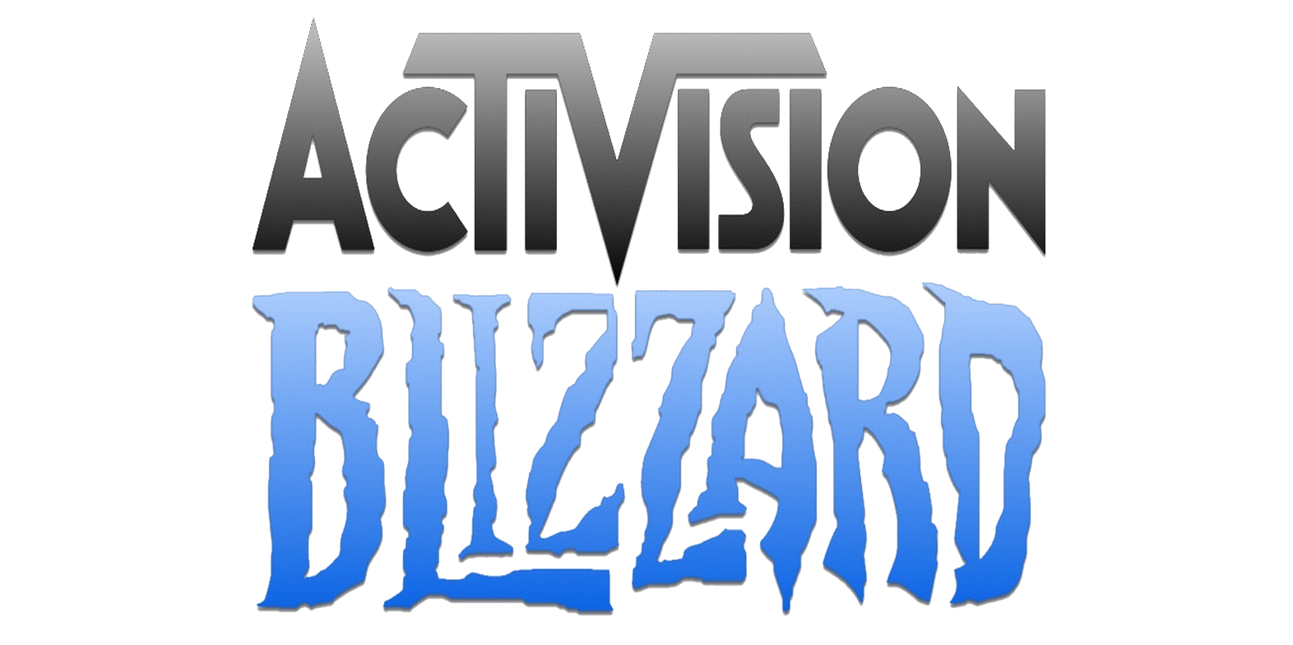
Dear Chief Executives,
As it is our desire to continue engaging our global player community through entertainment, we wanted to compare our performance to that of our main competitor, Electronic Arts, and deliver insights from said analysis.
The first thing we noticed is that around 500 million users enjoy EA's products on average every month, which is about 100 million more users than those who opt for Activision Blizzard’s products. For this reason, we decided to delve into the aspects that can be the root cause of this, since we did not see major differences in how the stock market for the gaming industry has behaved during the last five years.
We enjoy a particularly privileged position in the market, with a $2.1B increase in revenue from 2020 to 2021, a period in which our competitor did not evidence a substantial growth. However, when taking a look into their yearly statement, we came to realize that even when their net income was significantly higher than ours during the previous year, closing at almost the double ($3B), it decreased 72% during the 2020-2021 period, to 837M.
This seemed like a notable reduction, which led us to review how they spend their money and their investment pattern in R&D caught our eye. While Activision has kept their expenditure in Research and Development constant during the past years, at around 15% of their revenue, on the other hand, EA devoted 28% of their revenue in this same division for 2020, and even increased it to 32% ($1.8B) for their fiscal year closing in March 2021. Their annual report expresses that this increase was primarily due to higher headcount costs related to their continued expansion of in-house design studios focused on game development.
Comparing both our earnings by segment, it is clear that we lead in most categories, such as PC and Mobile. Nonetheless, there is still opportunity in the Console department, where they lead thanks to how well-received and diverse their game offering for PlayStation and Xbox is.
As we would like to continue with our leading position in the industry, providing the most fun, thrilling, and engaging entertainment experiences to our millions of users around the world, we could start allocating a larger sum to the R&D department, focusing on the development of a broader selection of exceptional console games.
With appreciation,
_________________ ________________
Abdallah Bazzan William Laverde
Data Analyst Data Analyst

Dashboard
 |  |  | Total Revenue | Mar-20 | Mar-21
 |  |  | Activision | $6,452 | $8,573
 |  |  | Electronic Arts | $5,537 | $5,629

 |  |  | Net Income | Mar-20 | Mar-21
 |  |  | Activision | $1,562 | $2,312 | 48%
 |  |  | Electronic Arts | $3,039 | $837 | -72%

MONTHLY AVERAGE ACTIVE PLAYERS |  | STOCK PRICE ($USD)

400M
 |  |  | Stock Price | Mar-17 | Mar-18 | Mar-19 | Mar-20 | Mar-21
 |  |  | Activision | $49.9 | $58.0 | $45.5 | $57.0 | $95.3
 |  |  | Electronic Arts | $89.5 | $121.2 | $101.6 | $95.4 | $138.0
players in 2020


500M
players in 2020
 |  |  | R&D Investment (MM $USD) | Mar-20 | Mar-21
 |  |  | Activision | $988 | $1,266
 |  |  | Electronic Arts | $1,559 | $1,778

 |  |  | R&D Investment (% of Revenue) | Mar-20 | Mar-21
 |  |  | Activision | 15% | 15%
REVENUE (MM $USD) |  | NET INCOME (MM $USD) | Electronic Arts | 28% | 32%

 |  |  | Revenue by Segment | Activision | EA
 |  |  | Console | $2,784 | $3,774
 |  |  | PC | $2,056 | $1,017
 |  |  | Mobile | $2,559 | $727
 |  |  | Others | $687 | $19
 |  |  | Total | $8,086 | $5,537

INVESTMENT IN R&D (MM $USD) |  | INVESTMENT IN R&D (% of REVENUE)

 | REVENUE BY SEGMENT (MM $USD)

